Sayfa1
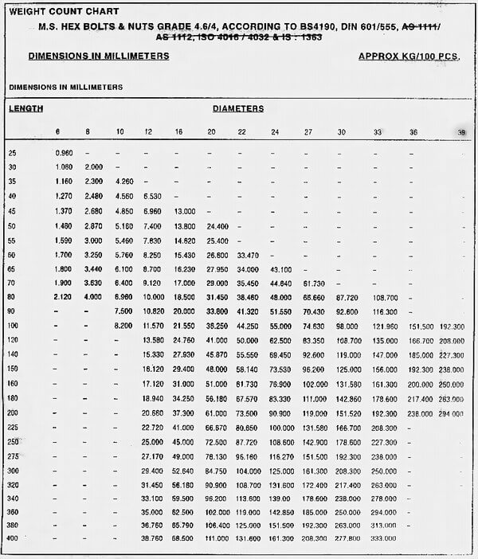
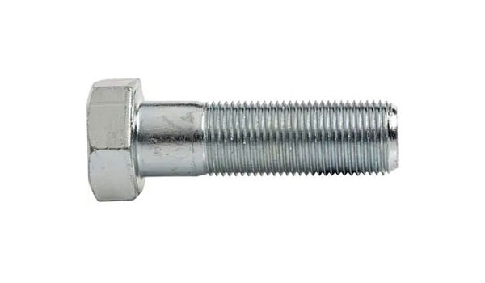
DIN 960 ISO 8765 PARTIALLY THREADED HEX CAP SCREW

DIN 960 ISO 8765 UNI 5738 Partially Threaded Hex Cap Screw high-precision applications where a fine pitch is required for tight fitment, better adjustment, or higher tensioning accuracy.
These attributes make them suitable for use in areas that are common in automotive industry,mechanical engineering,aerospace and defense,tool and mold making,precision equipment

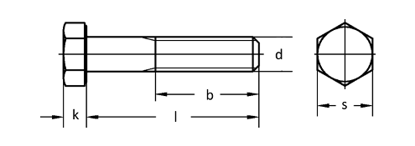

Quality
Steel: 8.8,10.9,12.9
Stainless Steel:A2,A4
Thread:6g

Coatings

Whether you need Zinc plating, PTFE coatings, or any other surface treatment, we've got you covered.
Such as: Zinc plating, Zinc-Nickel plating, Zinc-Flake coatings like Geomet, Dörken, Magni, Corundum, PTFE coatings like Xylan, Xylar, Lubo lubrication, Hot dip galvanising, HDG, Sherardising, Passivating, Antifricor, Powdercoating, Mechanical Zinc, Zinc-Iron... etc.
And the best part? We offer competitive prices and have a variety of options in stock, ready to meet your demand.

Make A gallery for coated bolts

Weight Chart

